Sheet1
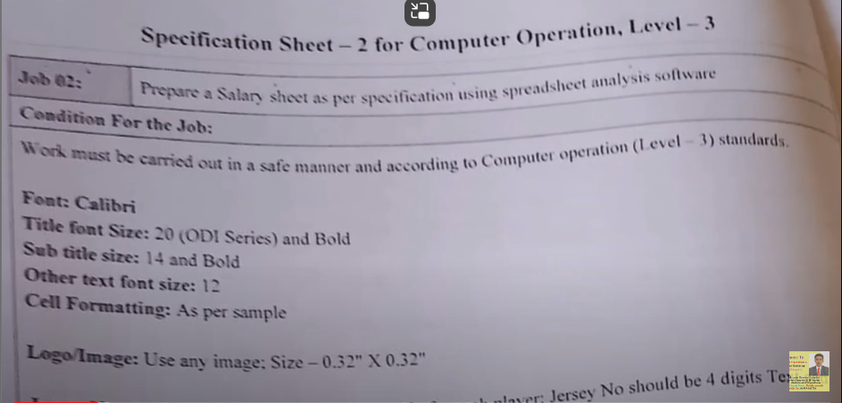
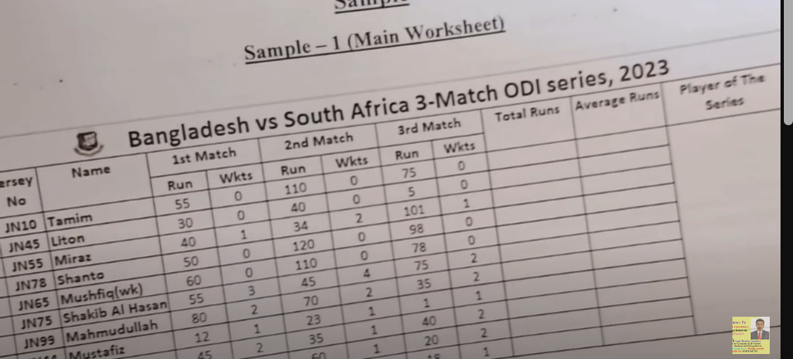
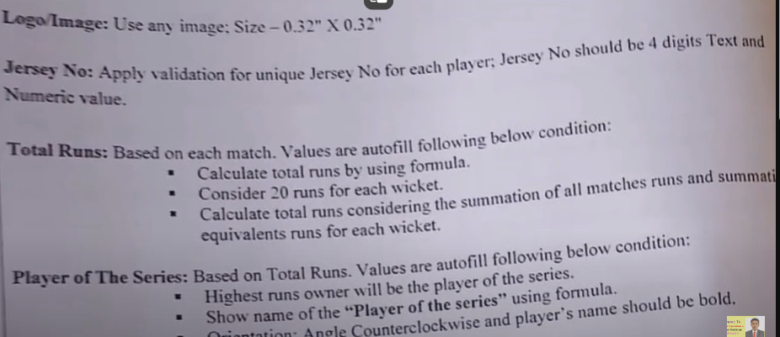
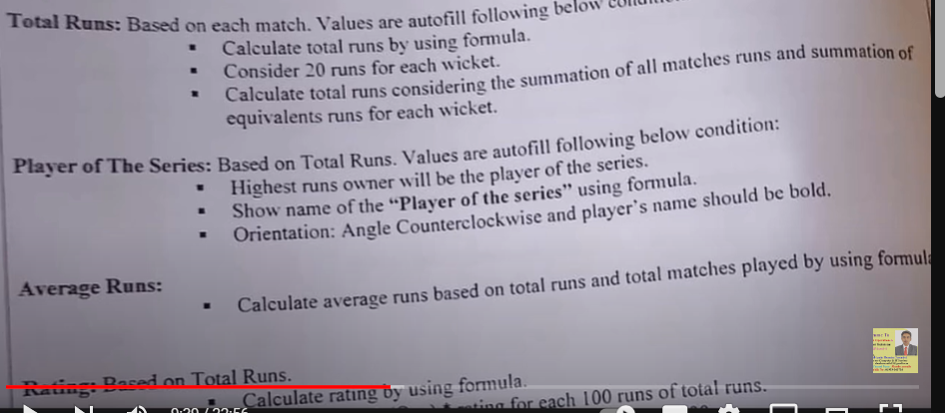
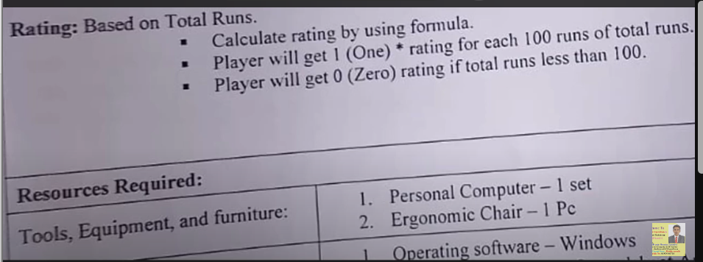
SL No. | Jursey Name | Name | 1st Mach |  | 2nd Match |  | 3rd Match |  | Total runs | Total Avarag | Player of the | Ratings | Ratings
 |  |  | Run | Wkts | Run | Wkts | Run | Wkts
1 | JN 10 | Tamim | 55 | 0 | 110 | 0 | 75 | 0 | 240 | 80 | Shanto | 2 | 2
2 | JN45 | Liton | 30 | 0 | 40 | 0 | 5 | 0 | 75 | 25 |  | 0 | 0
3 | JN55 | Miraz | 40 | 1 | 34 | 1 | 101 | 1 | 175 | 58.333333333 |  | 1 | 1
4 | JN78 | Shanto | 50 | 0 | 120 | 0 | 98 | 0 | 268 | 89.333333333 |  | 2 | 2
5 | JN65 | Mushfiq(wk.) | 60 | 0 | 110 | 0 | 78 | 0 | 248 | 82.666666667 |  | 2 | 2
6 | JN75 | Shakib Al Hasan | 55 | 3 | 45 | 2 | 75 | 2 | 175 | 58.333333333 |  | 1 | 1
7 | KN99 | Mahmudullah | 80 | 2 | 70 | 2 | 35 | 2 | 185 | 61.666666667 |  | 1 | 1
8 | JN44 | Mustafiz | 12 | 1 | 23 | 1 | 1 | 1 | 36 | 12 |  | 0 | 0
9 | JN02 | Mashrafe | 45 | 2 | 35 | 2 | 40 | 2 | 120 | 40 |  | 1 | 1
10 | JN69 | Saifuddin | 110 | 1 | 60 | 2 | 20 | 2 | 190 | 63.333333333 |  | 1 | 1
11 | JN70 | Taskin | 12 | 1 | 15 | 1 | 18 | 1 | 45 | 15 |  | 0 | 0

